Sprint Backlog
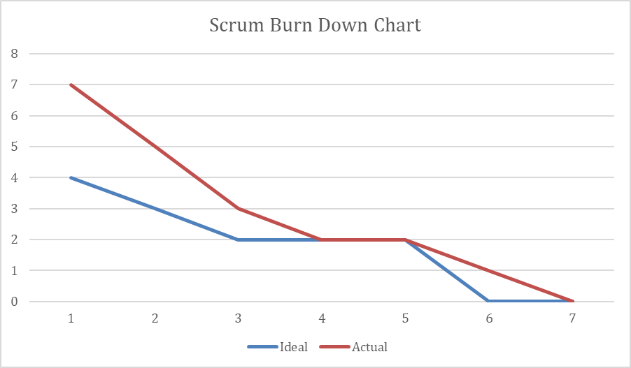
Project Title: CST-247 Project Bierer Reeder Release #: 6 Sprint #: 6

 | User Story ID | User Story | Task | Assigned To | Estimate | Day 1 | Day 2 | Day 3 | Day 4 | Day 5 | Day 6 | Day 7 | Day 8 | Day 9 | Day 10

 | 1 | As a developer, I need logging to be determine where the app is breaking | Add Logger | Stuart Reeder | 1 | 0 | 0 | 0 | 1 | 2 | 0 | 0 | 0 | 0 | 0
 |  |  | Implement Logger in Game Controller | Stuart Reeder | 1 | 0 | 0 | 0 | 0 | 0 | 1 | 0 | 0 | 1 | 0
 | 2 | As a developer, I need a RESTful Web API to handle data on Net-Sweeper Wins | Finish WinsAPI | William Bierer | 3 | 2 | 2 | 1 | 0 | 0 | 0 | 0
 | Ideal - Remaining efforts in uninterrupted working hours |  |  |  | 21 | 18 | 15 | 12 | 9 | 6 | 4 | 2 | 1 | 0 | 0
 | Actual - Remaining efforts in uninterrupted working hours |  |  |  | 21 | 17 | 17 | 13 | 11 | 10 | 7 | 6 | 4 | 2 | 0

